Title
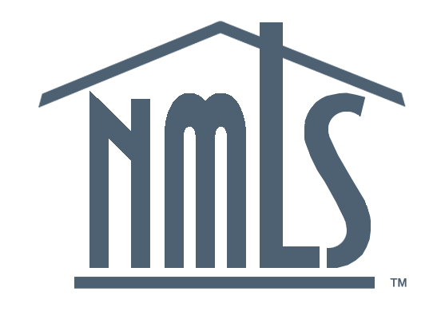
NMLS Mortgage Industry Report
2021Q1 Update

Produced June 10, 2021
Conference of State Bank Supervisors
1129 20th Street, NW, 9th Floor
Washington, D.C. 20036-4307

Unless otherwise noted, all figures cover 2021Q1 activity, or statuses as of March 31, 2021.

MCR Originations
5. Mortgage Call Report: Loan Originations

 | Filing Quarter | Home Purchase | Refinancing | Home Improvement
2017 |  | $113,829,634,250 | $81,359,069,638 | $4,651,062,407
2017 |  | $170,444,454,197 | $74,433,630,979 | $4,887,766,339
2017 |  | $169,392,462,027 | $85,416,781,862 | $5,370,310,177
2017 |  | $148,104,038,533 | $94,622,483,848 | $6,168,449,784
2018 |  | $123,918,265,027 | $74,690,371,787 | $5,301,523,310
2018 |  | $183,305,206,616 | $59,053,391,038 | $4,783,614,107
2018 |  | $173,035,680,065 | $56,269,972,282 | $4,971,421,243
2018 |  | $146,582,947,480 | $54,748,609,396 | $8,157,899,656
2019 |  | $124,167,950,342 | $63,182,176,214 | $3,940,300,862
2019 |  | $194,165,734,913 | $104,681,554,361 | $5,528,693,711
2019 |  | $194,639,578,095 | $189,452,558,848 | $8,448,404,744
2019 |  | $171,551,074,117 | $216,939,361,644 | $8,414,012,092
2020 |  | $150,988,832,789 | $248,729,398,652 | $7,766,396,266
2020 |  | $185,916,863,906 | $396,695,380,674 | $12,056,247,498
2020 |  | $271,224,387,344 | $473,957,807,417 | $12,866,435,515
2020 |  | $257,471,058,288 | $542,862,446,480 | $16,593,885,847
2021 |  | $210,468,005,769 | $547,035,482,419 | $17,714,875,126
Year | Quarter | Home Purchase | Refinancing | Home Improvement
2016 | Q3 | $151,988,519,149 | $157,179,533,419 | $5,769,539,506
2016 | Q4 | $133,187,588,388 | $151,934,080,835 | $6,064,483,118
2017 | Q1 | $113,829,634,250 | $81,359,069,638 | $4,651,062,407
2017 | Q2 | $170,444,454,197 | $74,433,630,979 | $4,887,766,339
2017 | Q3 | $169,392,462,027 | $85,416,781,862 | $5,370,310,177
2017 | Q4 | $148,104,038,533 | $94,622,483,848 | $6,168,449,784
2018 | Q1 | $123,918,265,027 | $74,690,371,787 | $5,301,523,310
2018 | Q2 | $183,305,206,616 | $59,053,391,038 | $4,783,614,107
2018 | Q3 | $173,035,680,065 | $56,269,972,282 | $4,971,421,243
2018 | Q4 | $146,582,947,480 | $54,748,609,396 | $8,157,899,656
2019 | Q1 | $124,167,950,342 | $63,182,176,214 | $3,940,300,862
2019 | Q2 | $194,165,734,913 | $104,681,554,361 | $5,528,693,711
2019 | Q3 | $194,639,578,095 | $189,452,558,848 | $8,448,404,744
2019 | Q4 | $171,551,074,117 | $216,939,361,644 | $8,414,012,092
2020 | Q1 | $150,988,832,789 | $248,729,398,652 | $7,766,396,266
2020 | Q2 | $185,916,863,906 | $396,695,380,674 | $12,056,247,498
2020 | Q3 | $271,224,387,344 | $473,957,807,417 | $12,866,435,515
2020 | Q4 | $257,471,058,288 | $542,862,446,480 | $16,593,885,847
2021 | Q1 | $210,468,005,769 | $547,035,482,419 | $17,714,875,126

MCR MLOs
6. Mortgage Call Report: Loan Originators
Number of Active MLOs for State-Licensed Companies
 | Quarter | Filing Quarter | Active MLOs
2017 | 0 |  | 82,276
2017 | 0 |  | 86,190
2017 | 0 |  | 87,405
2017 | 0 |  | 88,205
2018 | 0 |  | 86,269
2018 | 0 |  | 88,855
2018 | 0 |  | 88,147
2018 | 0 |  | 85,647
2019 | 0 |  | 82,551
2019 | 0 |  | 88,830
2019 | 0 |  | 92,237
2019 | 0 |  | 94,058
2020 | 0 |  | 94,243
2020 | 0 |  | 99,191
2020 | 0 |  | 105,504
2020 | 0 |  | 109,875
2021 | 0 |  | 112,158
Active MLOs (originated at least 1 loan in the quarter)
Year | Quarter | Active MLOs
2016 | Q3 | 84,484
2016 | Q4 | 85,755
2017 | Q1 | 82,276
2017 | Q2 | 86,190
2017 | Q3 | 87,405
2017 | Q4 | 88,205
2018 | Q1 | 86,269
2018 | Q2 | 88,855
2018 | Q3 | 88,147
2018 | Q4 | 85,647
2019 | Q1 | 82,551
2019 | Q2 | 88,830
2019 | Q3 | 92,237
2019 | Q4 | 94,058
2020 | Q1 | 94,243
2020 | Q2 | 99,191
2020 | Q3 | 105,504
2020 | Q4 | 109,875
2021 | Q1 | 112,158

